SAT-OMC-MAO-01
▣ Σενάριο SAT-OMC-MAO-01 : Διαχείριση εισόδου

ΠΡΟΣΩΠΙΚΟ
Επικύρωση Κάρτας ή Εισαγωγή ID/Κωδικού Πρόσβασης
Επιτυχής Είσοδος
KEO
Επικύρωση ID/pin ή κάρτας
▶ Περιγραφή και Ροή
Περιγραφή |  | Η ΚΕΟ μπορεί να είναι έτοιμη για οδήγηση μέσω της συσκευής Τηλεματικής. Εάν η είσοδος αποτύχει, ο οδηγός μπορεί να κάνει είσοδο χρησιμοποιόντας την κάρτα οδηγού ή ID/κωδικός.
Ροή εργασιών

▶ Προετοιμασία
Προετοιμασία |  | ΚΕΟ 1 EA, ΟΔΗΓΟΣ/ΠΡΟΣΩΠΙΚΟ 1 EA

▶ Δεδομένα
Αρ. | Αντικείμενο | 1 | 2 | 3 | 4 | 5
1 | N/A

001
Test Case -SAT-OMC-MAO-01-001 :Driver Card Tapping

1. Test Scenario
Test date |  | 1st |  | Tester |  | 1st
 |  | 2nd |  |  |  | 2nd
 |  | 3rd |  |  |  | 3rd

Tapping Driver Card
Description |  | Driver Card Tapping |  |  |  |  | Written by |  | Süleyman Kabadayı
Flow

NO | Task | Test data | Expected result | Person in charge | Result |  | Pass/Fail |  |  | Remark
 |  |  |  |  |  |  | 1st | 2nd | 3rd
1 | 1.Driver taps own driver Card on the OVMC | Test Data : A | Succes to Validate | KIM J.E. | 1st |  |  |  |  | Test Data:B
 |  |  |  |  | 2nd
 |  |  |  |  | 3rd

NO | Item
A | Driver Card | Driver Card for testing
B | 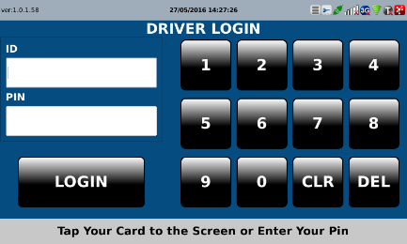 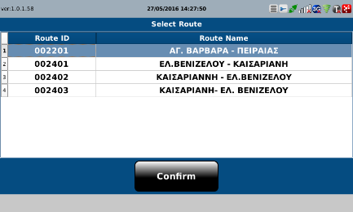

002
Test Case -SAT-OMC-MAO-01-002 : Input driver ID and pin

1. Test Scenario
Test date |  | 1st |  | Tester |  | 1st
 |  | 2nd |  |  |  | 2nd
 |  | 3rd |  |  |  | 3rd

Input driver ID and pin
Check
Description |  | Input driver ID and pin |  |  |  |  | Written by |  | Süleyman Kabadayı
Flow

NO | Task | Test data | Expected result | Person in charge | Result |  | Pass/Fail |  |  | Remark
 |  |  |  |  |  |  | 1st | 2nd | 3rd
1 | 1.Input driver ID and pin] | Test Data : A | Driver and pin are successfully entered | KIM J.E. | 1st |  |  |  |  | Test Data:B
 |  |  |  |  | 2nd
 |  |  |  |  | 3rd
2 | 1.OVMC checks the driver ID by comparing it to the driver IDs in the driver list |  | 1.Succes(exists in the list) 2.Fail(not exists in the list) | KIM J.E. | 1st |  |  |  |  | Test Data:C
 |  |  |  |  | 2nd
 |  |  |  |  | 3rd

NO | Item
A | driver ID and pin | Driver ID and PIN (It depends on the driver information)
B | 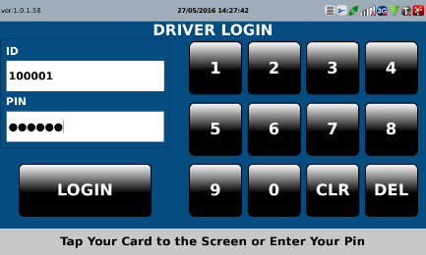
C

003
Test Case -SAT-OMC-MAO-01-003 : Selecting Route

1. Test Scenario
Test date |  | 1st |  | Tester |  | 1st
 |  | 2nd |  |  |  | 2nd
 |  | 3rd |  |  |  | 3rd

Login
Selecting Route
View New Route
Description |  | Selecting Route |  |  |  |  | Written by
Flow

NO | Task | Test data | Expected result | Person in charge | Result |  | Pass/Fail |  |  | Remark
 |  |  |  |  |  |  | 1st | 2nd | 3rd
1 | [ Login] 1.A message box saying "Please Tapping Card or enter ID and pin" 2.Driver Inputs pin and ID or taps card | Test Data A: Input pin and ID or tapping card | Succes to Login |  | 1st |  |  |  |  | Test Data:C
 |  |  |  |  | 2nd
 |  |  |  |  | 3rd
2 | [Selecting Route] 1.A message box saying "Please select route" 2.Driver input route | Test Data B: Route | Succes to input |  | 1st |  |  |  |  | Test Data:D
 |  |  |  |  | 2nd
 |  |  |  |  | 3rd
3 | [View Route] 1.View new route on the screen |  | Succes to view |  | 1st |  |  |  |  | Test Data:E
 |  |  |  |  | 2nd
 |  |  |  |  | 3rd

NO | Item
A | Input pin and ID or tapping card
B | Route
C | 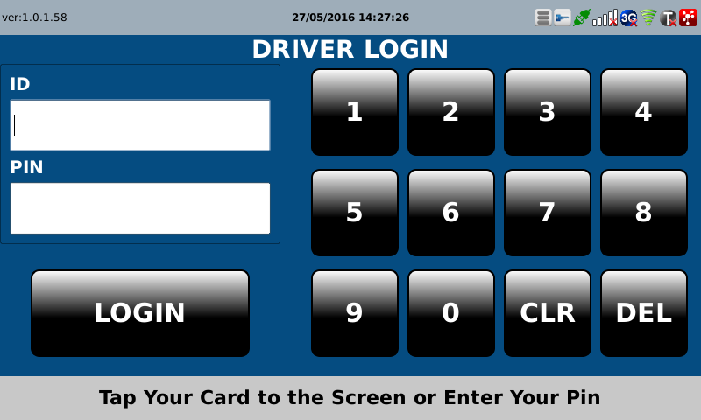 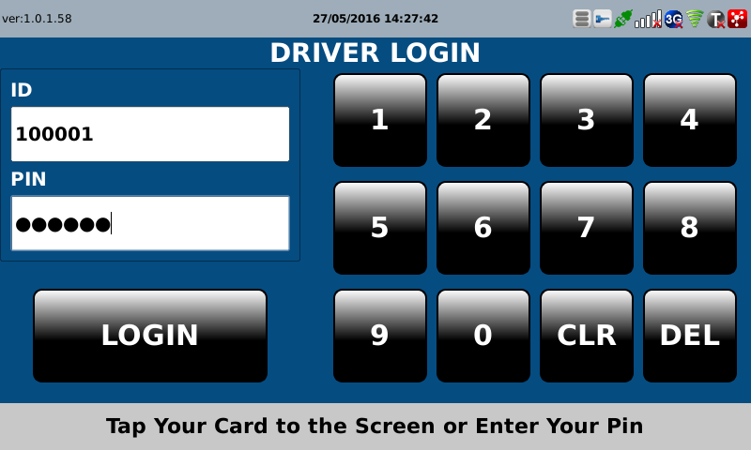 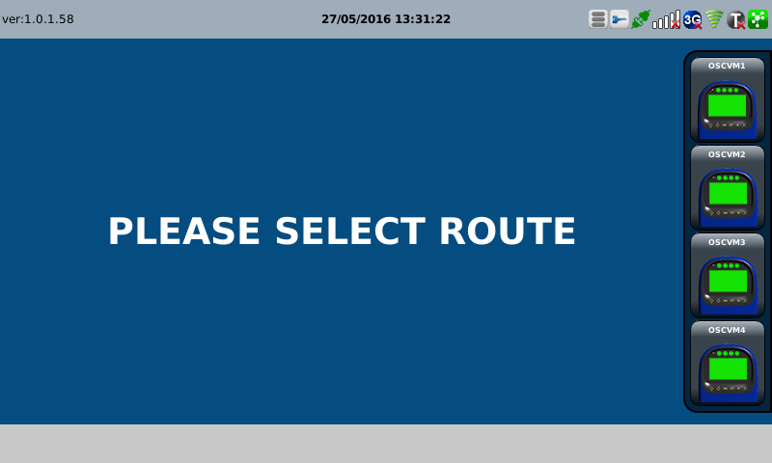
D | 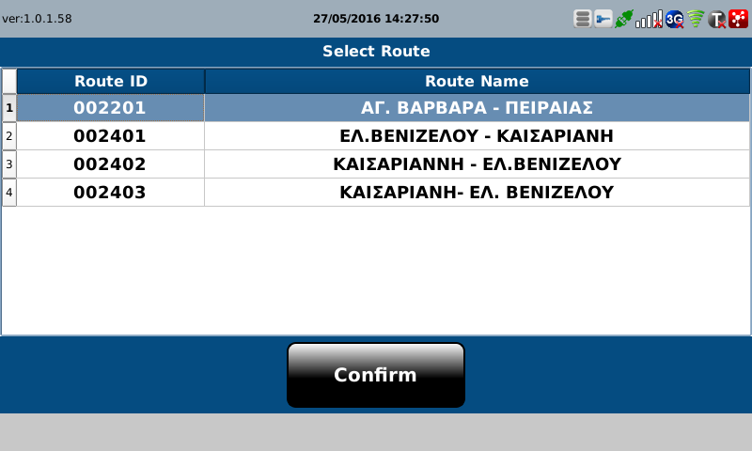
E | 